Title Page
Project Brief

Project Name: Instacart Grocery Basket Analysis
Date: December 4, 2024
Analyst Name: Keanu G.

Contents: (click-to-jump) |  | Data Citation:
1. Population Flow | <— (click to jump) | Instacart Datasets: | “The Instacart Online Grocery Shopping Dataset 2017”, Accessed from www.instacart.com/datasets/grocery-shopping-2017 via Kaggle on <date>.
2. Consistency checks | <— (click to jump)
3. Wrangling steps | <— (click to jump) | CareerFoundry Dataset: | Customers Data Set (customers.csv)
4. Column derivations | <— (click to jump) | Instacart Data Dictionary: | Data Dictionary
5. Visualizations | <— (click to jump) | Region Information - Wikipedia | https://simple.m.wikipedia.org/wiki/List_of_regions_of_the_United_States
6. Recommendations | <— (click to jump)

1. Population Flow
Title page

Population flow

Exclusion flag (low-activity)
Multiple '_merge' flags and 'unnamed: 0' columns were populated during analysis in order to derived standardized variables and to confirm data accuracy; later removed.
Low-activity customers sample exclusion condition: max_order < 5
Obervations removed: 7,989,982 rows
Final total count of order_products_all: 24,414,877 row x 43 columns

Orders_products_all
(Final full Dataframe)
Orders_products_combined
Orders_products_merged
Active_cust

Total: 32,434,489 rows x 9 columns
Total: 32,404,859 rows x 13 columns
Total: 24,414.877 rows x 34 columns
Total: 24,414,877 rows x 43 columns

Cust_pro_df
(User ID, All customer profiles)

Ords_prods_busy_days

Total: 32,404,859 rows x 17 rows
Total: 24,414,877 rows x 23 columns

Ords_prods_standard

Total: 32,404,859 rows x 23 rows

Ords_prods_cust

Total: 32,404,859 rows x 32 rows

1.) The grey boxes in the first row of the population flow represent the original data sets as they were when downloaded. In the Total fields are the count of the rows when the data was imported into Jupyter.
2.) The second row of boxes (coloured) represents the data sets after manipulation, e.g., removed missing values and duplicates. In the Total fields are the count of the rows after conducting these operations. This offers a visual oveview of how the data flows throughout the project brief data consistency checks.
3.) The third row, where also the arrows are coloured, represents the merges of data performed between the datasets. In the Total fields are the count of the rows in the merged datasets, ending up with the final dataset (in the red box). Keep in mind the final dataset is without exclusions (based on the exclusion flag).

2. Consistency checks
 |  |  |  | Title page
Consistency checks

Dataset | Missing values | Missing values treatment | Duplicates
orders | 0 missing values found | N/A | 0 duplicates found
products | 16 missing values: "product_name" | # Create a subset of the dataframe containing only the values in question; NAN # Create new dataframe subset with filtered out NAN df_nan = df_prods[df_prods['product_name'].isnull() == True] | 5 duplicates found and removed: "product_id" [462, 18458, 26808, 35306, 35491]
departments | 0 missing values found | N/A | 0 duplicates found
orders_products_prior | 0 missing values found | N/A | 0 duplicates found
customers | 0 missing values found | N/A | 0 duplicates found
customers | 11,259 nan values in 'first_name' | # PII-Security Risk (first/last name) fabricated data; left as is | 0 duplicates found

3. Wrangling steps
 |  |  |  |  | Title page
Wrangling steps

Dataset | Columns dropped | Columns renamed | Columns' type changed | Comment/Reason
orders | ['eval_set'] | {'order_dow': 'orders_days_of_week'}, {'orders_days_of_week' : 'order_day_of_week'} | ['order_id'].astype('str'), ['user_id'].astype('str') | # Drop 'eval_set' column from 'orders.csv' # df.drop(columns = ['variable']) # Renaming columns {'order_dow': 'orders_days_of_week'} # Changing a variables data type # df.['variable'] = df['variable'].astype('str')
products | 0 columns dropped | N/A | N/A | # No columns needed to rename or change data type
departments | 0 columns dropped | N/A | ['department_id'].astype('str') | # No columns needed to drop or rename
orders_products_prior | 0 columns dropped | N/A | N/A | # No changes necessary
customers | 0 columns dropped | {'First Name': 'first_name', 'Surnam': 'last_name', 'Gender': 'gender', 'STATE': 'state', 'Age': 'age', 'n_dependants': 'dependants'} | ['first_name'].astype('str'), ['user_id'].astype('str'), | # Rename inconsistent data columns and change id data types from numeric to 'str' for easier analysis profiling
customers | 0 columns dropped | N/A | N/A | # PII-Security Risk (first/last name) fabricated data; left as is
active_cust | 0 columns dropped | N/A | ['order_day_of_week'].astype('str'), ['order_hour_of_day'].astype('str') | # Change column data types from numeric to 'str' for easier analysis profiling
Security/Privacy Notice
Instacart is a real company that’s made their data available online. However, the contents of this project brief have been fabricated for the purpose of this Achievement and data was left as is.

4. Column derivations
 |  |  |  | Title page

Column derivations and aggregations

busiest_day
Regularly busy 22416875
Busiest day 6204182
Least busy 3783802
price_range_loc
Mid-range product 21860860 Low-range product 10126321 High-range product 417678
Dataset | New column | Column/s derived from | Conditions
orders_products_merged | price_range_loc | prices | # 'Products with prices greater than 15 are labeled as 'High-range product' in the 'price_range_loc' column # Products with prices between 5 (inclusive) and 15 (exclusive) are labeled as 'Mid-range product' # Products with prices less than or equal to 5 are labeled as 'Low-range product' in the same column
orders_products_merged | busiest_day | order_day_of_week | # Populates a list named result based on the values in the "order_day_of_week" column of the ords_prods_merge DataFrame # If the value is 0, it appends "Busiest day" to result # If the value is 4, it appends "Least busy" # Otherwise, it appends "Regularly busy"
busiest_days (2 busiest days of week)
Regularly busy 12916111
Busiest days 11864412
Slowest days 7624336
orders_products_merged | busiest_days | order_day_of_week | # The condition sets the value of result_new based on the values in the "order_day_of_week" column of the ords_prods_merge DataFrame # If the value is in the list [0, 1], it appends "Busiest days" to result_new # If the value is in the list [3, 4], it appends "Slowest days" #Otherwise, it appends "Regularly busy" to the list
busiest_period_of_day
Most orders 27818650 Average orders 4324350 Fewest orders 261859
orders_products_merged | busiest_period_of_day | order_hour_of_day | # The condition assigns values to the list result_hour based on the values in the "order_hour_of_day" column of the ords_prods_merge DataFrame # If the value is in the list [10, 11, 14, 15, 13, 12, 16, 9, 17, 8, 18, 19], it appends "Most orders" to result_hour # If the value is in the list [5, 2, 4, 3], it appends "Fewest orders" #Otherwise, it appends "Average orders" to the list
ords_prods_busy_days | max order | user_id, order_number | # This column is populated based on the maximum order number within each group of 'user_id' # The groupby method is used to group the data by 'user_id' # The transform method is applied to calculate the maximum order number for each user_id the 'max_order' column
loyalty_flag
Regular customer 15876776 Loyal customer 10284093
New customer 6243990
ords_prods_busy_days | loyalty_flag | max_order | # If the 'max_order' is greater than 40, the 'loyalty_flag' is set to 'Loyal customer' # If the 'max_order' is 10 or less, the 'loyalty_flag' is set to 'New customer' # For 'max_order' values between 10 (exclusive) and 40 (inclusive), the 'loyalty_flag' is set to 'Regular customer'
spending_flag
Low spender 31770614
High spender 634245
ords_prods_busy_days | avg_price | user_id, prices | # The groupby function groups the data by 'user_id' # The transform function is applied to compute the mean price for each user
ords_prods_busy_days | spending_flag | avg_price | # Create a flag that assigns a “spender” label to a user ID based on its corresponding avg_price value
ords_prods_busy_days | median_orders | days_since_prior_order | # The groupby function groups the data by 'user_id, days_since_prior_order' # The transform function is applied to compute the median orders for each user
freq_flag
Frequent customer 21559853 Regular customer 7208564
Non-frequent customer 3636437
nan 5
ords_prods_busy_days | freq_flag | median_orders | # If 'median_orders' is equal to or greater than 20, 'freq_flag' is set to 'Frequent customer' # If 'median_orders' is between 10 and 20, 'freq_flag' is set to 'Regular customer' # If 'median_orders' is 10 or less, 'freq_flag' is set to 'Non-frequent customer'
low_activity
Active customer 24414877 Low-activity customer 7989982
region
South 10791885
West 8292913
Midwest 7597325
Northeast 5722736
ords_prods_cust | region | state | # ['state'].isin(['Maine', 'New Hampshire', 'Vermont', 'Massachusetts', 'Rhode Island', 'Connecticut']), 'region'] = 'Northeast' # ['state'].isin(['New York', 'Pennsylvania', 'New Jersey']), 'region'] = 'Northeast' # ['state'].isin(['Wisconsin', 'Michigan', 'Illinois', 'Indiana', 'Ohio']), 'region'] = 'Midwest' # ['state'].isin(['North Dakota', 'South Dakota', 'Nebraska', 'Kansas', 'Minnesota', 'Iowa', 'Missouri']), 'region'] = 'Midwest' # ['state'].isin(['Delaware', 'Maryland', 'District of Columbia', 'Virginia', 'West Virginia', 'North Carolina', 'South Carolina', 'Georgia', 'Florida']), 'region'] = 'South' # [df['state'].isin(['Kentucky', 'Tennessee', 'Mississippi', 'Alabama']), 'region'] = 'South' # [df['state'].isin(['Oklahoma', 'Texas', 'Arkansas', 'Louisiana']), 'region'] = 'South' # [df['state'].isin(['Idaho', 'Montana', 'Wyoming', 'Nevada', 'Utah', 'Colorado', 'Arizona', 'New Mexico']), 'region'] = 'West' # ['state'].isin(['Alaska', 'Washington', 'Oregon', 'California', 'Hawaii']), 'region'] = 'West'
ords_prods_cust | low_activity | order_number | # ['order_number'] < 5, 'low_activity'] = 'Low-activity customer'
goods_value
high-value 18584136
reg-value 5646339
low-value 126835
nan 57567
active_cust | goods_value | department_id, department | # If the 'department' is in ['pets', 'bulk', 'other'], set 'goods_value' to 'low-value' # If the 'department' is in ['bakery', 'canned goods', 'deli', 'dry goods pasta', 'household', 'breakfast', 'meat seafood', 'babies', 'personal care', 'international', 'alcohol'], set 'goods_value' to 'reg-value' # If the 'department' is in ['produce', 'dairy eggs', 'snacks', 'beverages', 'frozen', 'pantry'], set 'goods_value' to 'high-value'.
age_prof
middle-aged 9552248
senior 7968859
young adult 6893770
goods_prof
home cooks 12654480
snackers 2187121
entertainers & socializers 2144419
meal planners 1974018
home essential shoppers 1924724
convenience seekers 1627614
food enthusiasts 1081230
new parents 335947
wellness & self-care shoppers 328480
pet owners 72111
missing 57567
other 27166
active_cust | goods_prof | department_id, department | # If the 'department' is in ['produce', 'meat seafood', 'dairy eggs', 'deli'], set 'goods_prof' to 'home cooks' # If the 'department' is in ['frozen'], set 'goods_prof' to 'convenience seekers' # If the 'department' is in ['bakery', 'international'], set 'goods_prof' to 'food enthusiasts' # If the 'department' is in ['dry goods pasta', 'bulk', 'canned goods', 'breakfast'], set 'goods_prof' to 'meal planners' # If the 'department' is in ['personal care'], set 'goods_prof' to 'wellness & self-care shoppers' # If the 'department' is in ['snacks'], set 'goods_prof' to 'snackers' # If the 'department' is in ['alcohol', 'beverages'], set 'goods_prof' to 'entertainers & socializers' # If the 'department' is in ['pets'], set 'goods_prof' to 'pet owners' # If the 'department' is in ['pantry', 'household'], set 'goods_prof' to 'home essential shoppers' # If the 'department' is in ['babies'], set 'goods_prof' to 'new parents' # If the 'department' is in ['other'], set 'goods_prof' to 'other' # If the 'department' is in ['missing'], set 'goods_prof' to 'missing'
active_cust | age_prof | age | # If 'age' is between 18 and 35 (inclusive), set 'age_prof' to 'young adult' # If 'age' is between 36 and 60 (inclusive), set 'age_prof' to 'middle-aged' # If 'age' is between 61 and 81 (inclusive), set 'age_prof' to 'senior'
income_range
high 11225709
med-high 10595251
low-med 593917
active_cust | income_range | income | # If 'income' is 50,000 or less, set 'income_range' to 'low-med' # If 'income' is between 50,001 and 100,000 (inclusive), set 'income_range' to 'med-high' # If 'income' is greater than 100,000, set 'income_range' to 'high'
depend_stat
has dependants 18309875
no dependants 6105002
active_cust | depend_stat | fam_status | # If 'dependants' is 0, set 'depend_stat' to 'no dependants' # If 'dependants' is between 1 and 3 (inclusive), set 'depend_stat' to 'has dependants'
active_cust | shops_on | order_day_of_week | # If 'order_day_of_week' is in ['0', '1'], set 'shops_on' to 'weekends' # If 'order_day_of_week' is in ['2', '3', '4', '5', '6'], set 'shops_on' to 'weekdays'
shops_on
weekdays 15538513
weekends 8876364
day_period
afternoon 11378927 morning 8381540 evening/night 4215591 late-night/early-morning 438819
active_cust | day_period | order_hour_of_day | # If 'order_hour_of_day' is in ['6', '7', '8', '9', '10', '11'], set 'day_period' to 'morning' # If 'order_hour_of_day' is in ['12', '13', '14', '15', '16', '17'], set 'day_period' to 'afternoon' # If 'order_hour_of_day' is in ['18', '19', '20', '21', '22', '23', '24'], set 'day_period' to 'evening/night' # If 'order_hour_of_day' is in ['0', '1', '2', '3', '4', '5'], set 'day_period' to 'late-night/early-morning'
cust_prof
married/middle-aged/parent/gaurdian 7160301
married/senior/parent/gaurdian 5968064
married/young adult/parent/gaurdian 4010111
single/middle-aged adult/no dependants 2303530
divorced/widowed/senior adult/no dependants 2000795
single/young adult/no dependants 1712260
living with parents and siblings/young adult/parent/gaurdian 1171399
divorced/widowed/middle-aged adult/no dependants 88417
active_cust | cust_prof | fam_status, age_prof, depend_stat, | # If 'fam_status' is 'single', 'divorced/widowed', or 'living with family and siblings', 'age_prof' is 'young adult', and 'depend_stat' is 'no dependants', set 'cust_prof' to 'single/young adult/no dependants'. # If 'fam_status' is 'married', 'age_prof' is 'young adult', and 'depend_stat' is 'no dependants', set 'cust_prof' to 'married/young adult/no dependants'. # If 'fam_status' is 'divorced/widowed', 'age_prof' is 'young adult', and 'depend_stat' is 'no dependants', set 'cust_prof' to 'divorced/widowed/young adult/no dependants'. # If 'fam_status' is 'living with parents and siblings', 'age_prof' is 'young adult', and 'depend_stat' is 'no dependants', set 'cust_prof' to 'living with parents and siblings/young adult/no dependants'. # If 'fam_status' is 'single', 'age_prof' is 'middle-aged', and 'depend_stat' is 'no dependants', set 'cust_prof' to 'single/middle-aged adult/no dependants'. # If 'fam_status' is 'married', 'age_prof' is 'middle-aged', and 'depend_stat' is 'no dependants', set 'cust_prof' to 'married/middle-aged adult/no dependants'. # If 'fam_status' is 'divorced/widowed', 'age_prof' is 'middle-aged', and 'depend_stat' is 'no dependants', set 'cust_prof' to 'divorced/widowed/middle-aged adult/no dependants'. # If 'fam_status' is 'living with parents and siblings', 'age_prof' is 'middle-aged', and 'depend_stat' is 'no dependants', set 'cust_prof' to 'living with parents and siblings/middle-aged adult/no dependants'. # If 'fam_status' is 'single', 'age_prof' is 'senior', and 'depend_stat' is 'no dependants', set 'cust_prof' to 'single/senior adult/no dependants'. # If 'fam_status' is 'married', 'age_prof' is 'senior', and 'depend_stat' is 'no dependants', set 'cust_prof' to 'married/senior adult/no dependants'. # If 'fam_status' is 'divorced/widowed', 'age_prof' is 'senior', and 'depend_stat' is 'no dependants', set 'cust_prof' to 'divorced/widowed/senior adult/no dependants'. # If 'fam_status' is 'living with parents and siblings', 'age_prof

5. Visualizations
 |  |  |  |  |  |  |  | Title page | Recommendations

Visualizations

In this tab you should include all the visualtions from Exercises 4.9 and 4.10, alongside the questions from the project brief that they answer. Include any commentary on the relationship between different variables.
This tab, includes all the visualizations from Exercises 4.9 and 4.10, alongside the questions from the project brief that they answer and any commentary on the relationship between different variables.
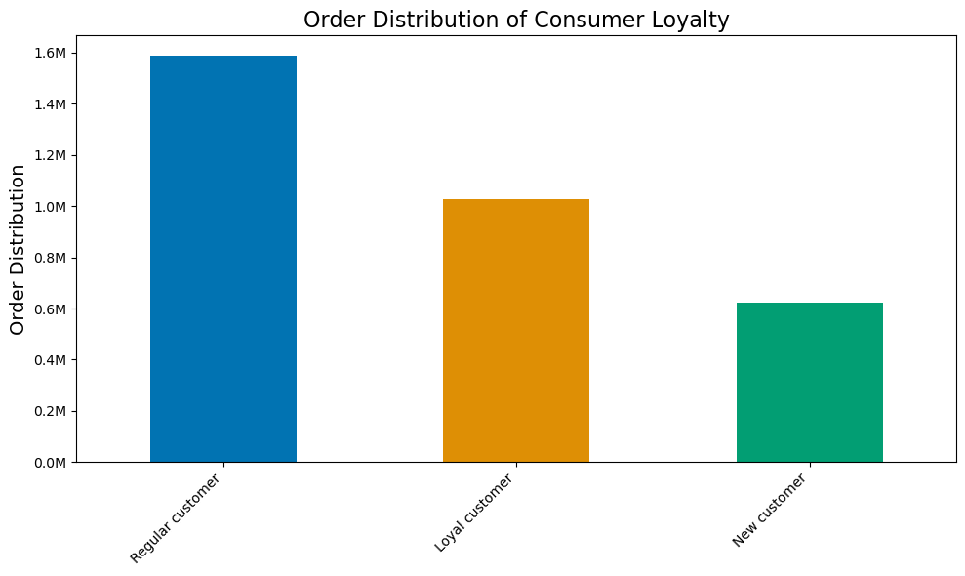
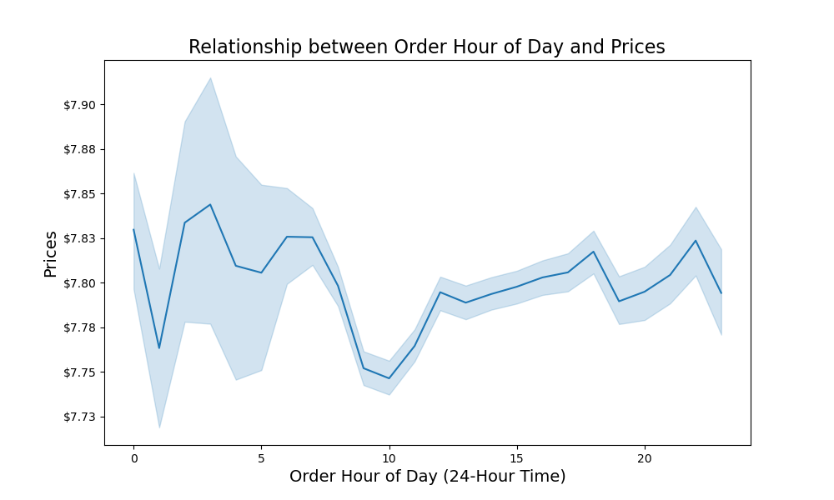


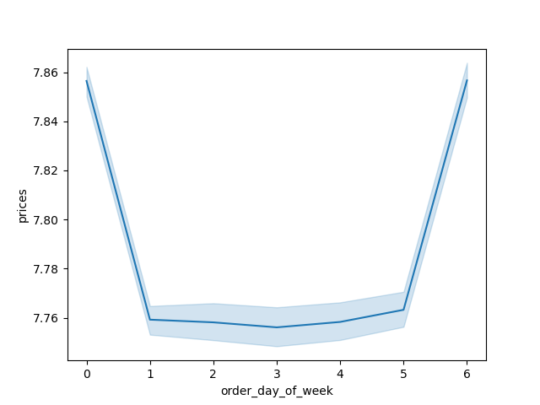

Q1: From around 7am to 7pm Instacart sales have the most orders with a peak at 10am. Judging by the mean and median, the data seems consistent with no major outliers. |  |  | Note: Order day of week by highest prices Weeks start at Saturday(0) through Friday(6) |  |  |  |  | Q2: Higher priced items being bought in the early mornings to late night time can demonstrate customer behaviors and a higher need for to buy food items at these specific times of day, no matter if the price is slightly higher. However, spending higher doesnt mean buying more, a look into the order_hour_of_day histogram confirms that at the peak of the day around 10am most orders are around 7.75, 10c lower than that of around early morning hours. |  |  |  |  | Q6-7: All customer profiles by their consumer loyalty, this data suggests that loyal customers order less than regular customers, this can be due to a few reasons. One reason being that it is fairly normal to have more regular customers than loyal customers. Taking a further look into their spending habits by price can give us more depth into their ordering habits.

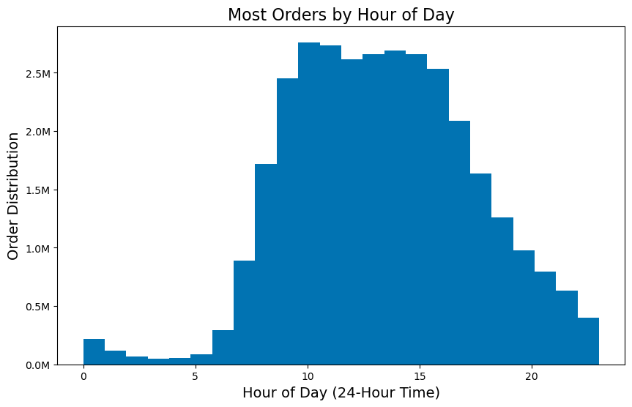
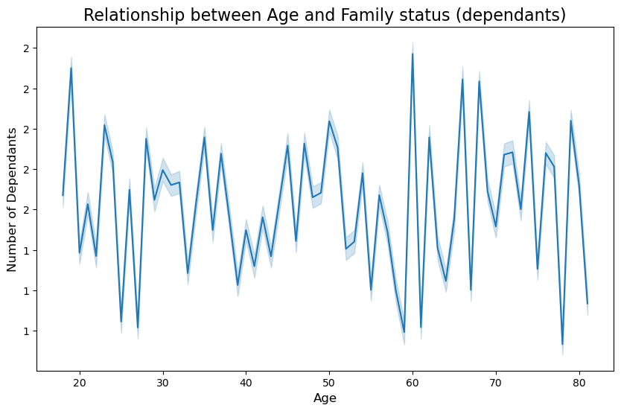

 |  |  |  |  |  | Relationship between Consumer Age and Income


 | Q2: From around 7am to 7pm Instacart sales have the most orders with a peak at 10am. Judging by the mean and median, the data seems consistent with no major outliers. |  |  |  | Note: The relationship between age and income suggest a weak postive correlation supporting data that as age increases, so will spending power, particularly at around 40 years of age. |  |  |  |  | Q9: The relationship between age and dependancy status suggests that there is little to no correlation, as people become parents/gaurdians for a multitude of reasons.

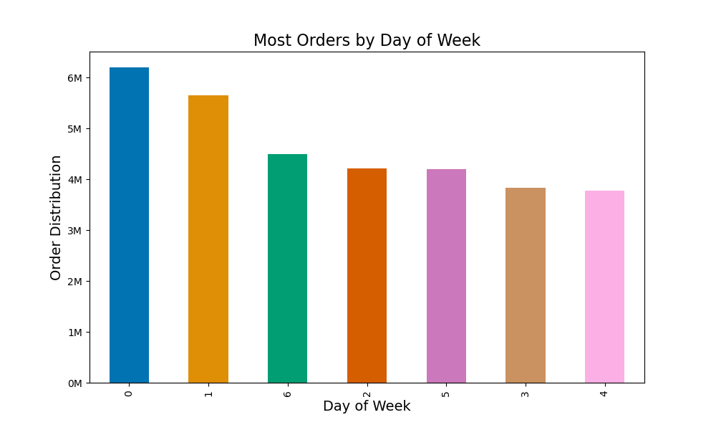
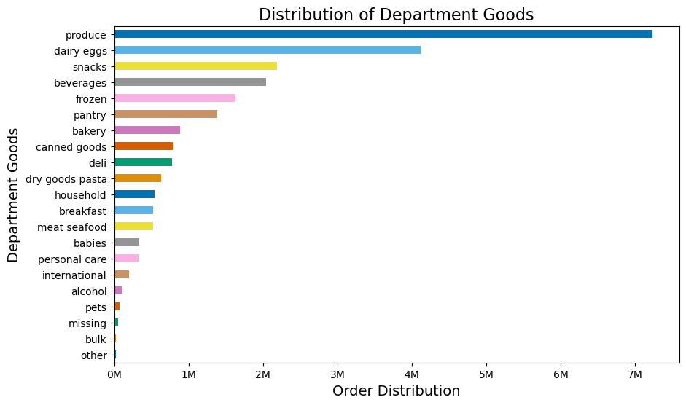
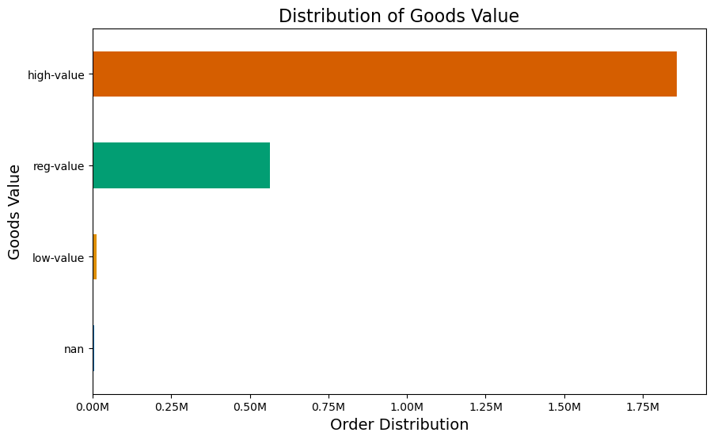

Q1: This data can also help answer Q1 of our project brief by confirming that Saturday and Sunday are the two busiest days of the week while Tuesday and Wednesday are the slowest. Best to run those campaign ads on the slowest weekdays! Mon-Thurs. |  |  |  | Q4: The distribution of department goods bar chart shows us our hightest and lowest department-goods performers by their order distribution. |  |  |  |  |  |  | Q3: The distribution of goods value chart displays the product value according to their order distribution by instacart consumers. This data visualization confirms that high-value products (produce, dairy, eggs, snakc, beverages, frozen) sell the most.

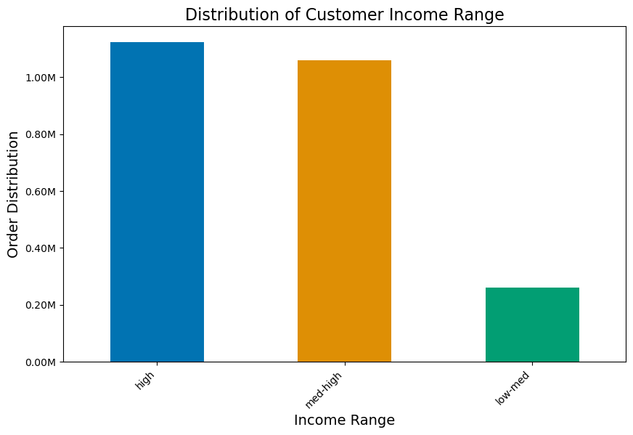

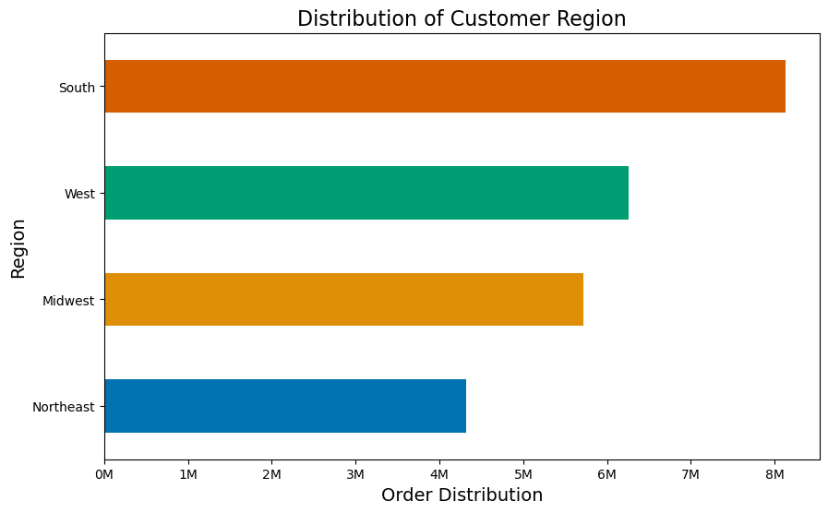

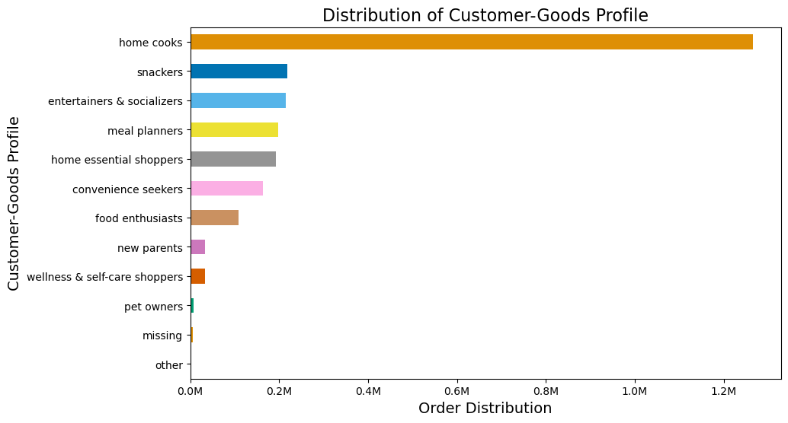

 | Q10: The Distribution of customer department-goods profiling tells us that their consumers order the most of home cooking products. Suggesting a classifcation of 'home cooks' as a demographic for targeted ad marketing. |  |  | Q8: The sotuhern region of the US is Instacarts biggest consumer region. *Regions were not split by their divisions* |  |  |  |  |  |  | Q10: The distribution of customer income range tells us that instacarts highest income earners order the most from Instacart; descending.

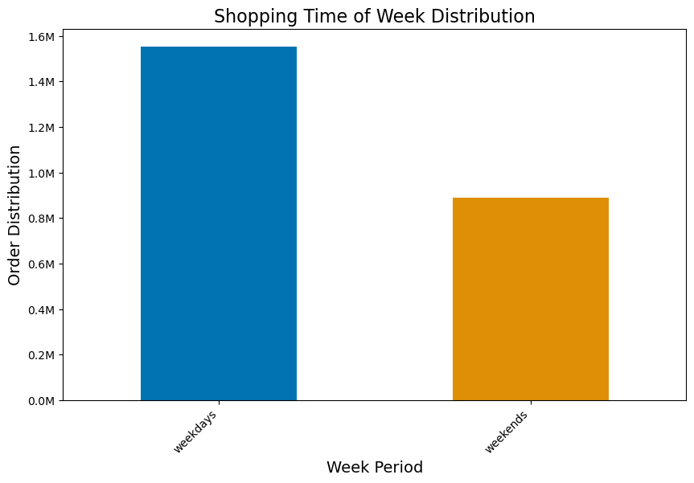

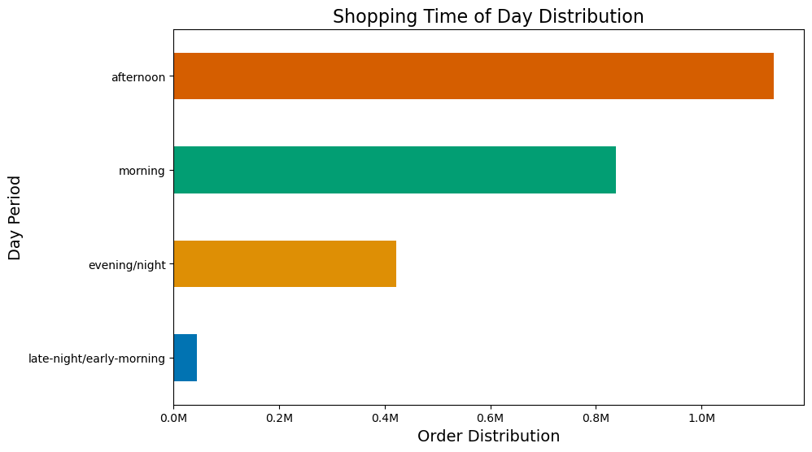

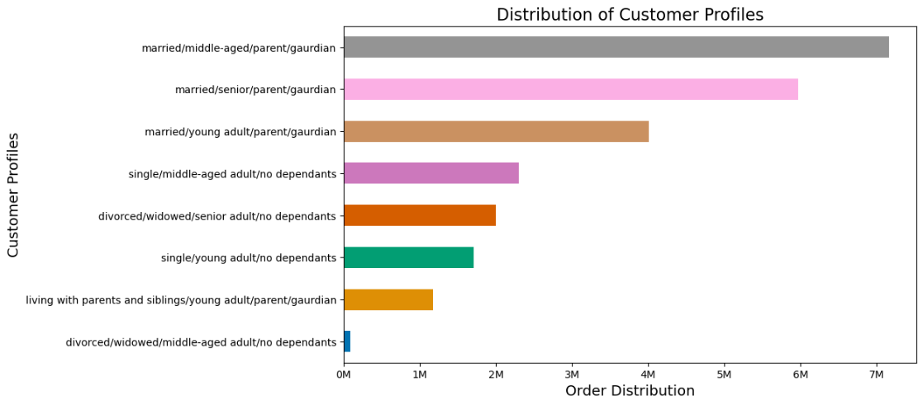

Note: The shopping time of week distribution suggests that weekdays accrue more orders than weekdays, however, as we know, weekdays have the most orders per day compared to week days. |  |  |  |  | Note: Instacart consumer order more products on afternoons compared to late-night/early-morning, however, as the data suggests, consumers are willing to pay for higher priced items at late-night/early-morning hours compared to any other time of day period. |  |  |  |  |  | Q5: The distribution of customer profiles suggest a main classification for marital status, age profiling, and dependency status as targeted consumer demographics of the Instacart database (e.g. married/middle-aged/parent/gaurdian

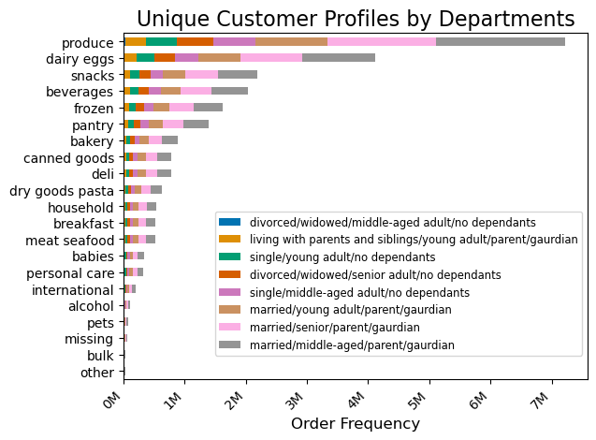
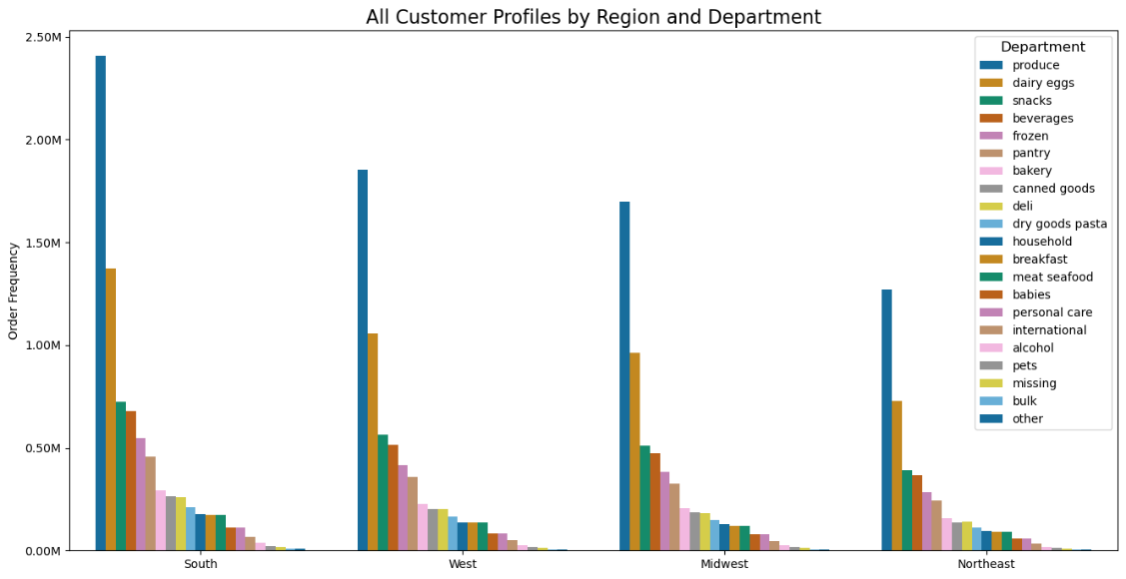
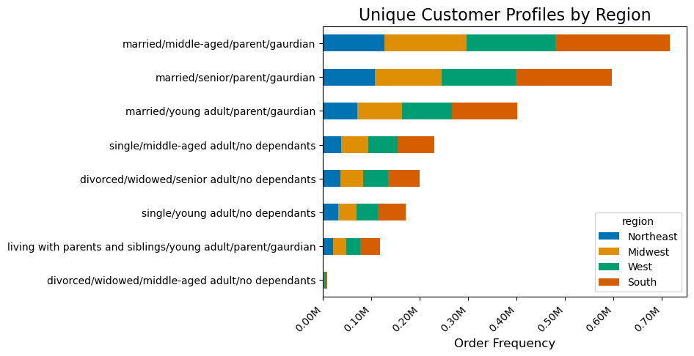

Q5-11: All customer profiles by region and department suggest the same ordering habits across all regions only varying by total order amounts. |  |  |  | Q5-11: All customer profiles by region suggest the same ordering habits across all regions only varying by total order amounts. This confirms the stacked bar chart to the left. |  |  |  |  |  | Q5-11: All customer profiles by department suggest the same ordering habits across all regions only varying by total order amounts. This confirms the 2 stacked bar charts to the left.

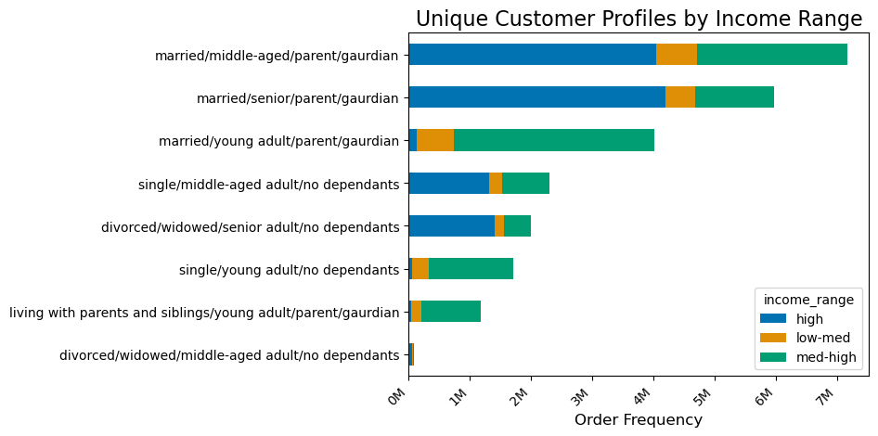
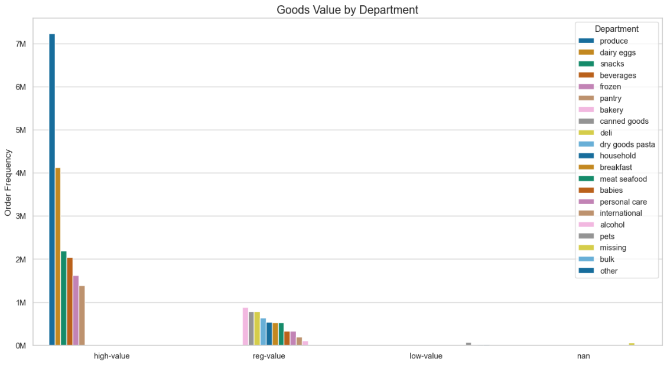
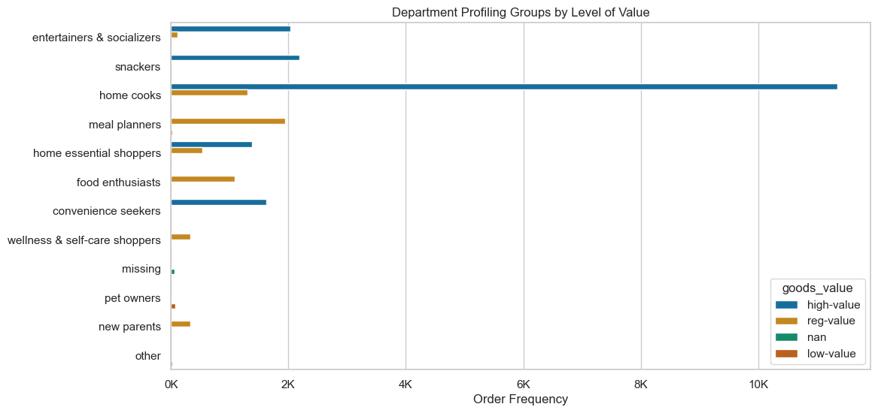

Q5-11: Unique customer profiles by income range display to us instacarts top earners by customer profile. middle-aged/senior/parent/gaurdians have more spending power than middle-aged/married/parent/gaurdians but are the top income earners. |  |  |  | Note: Goods value by department is data visualization made to standardized and further corfim other project brief questions. Nans = missing, other (not included in customer profiling for goods-value variable) |  |  |  |  |  |  | Note: Department profiling groups by level of value display and confirm our standardized variables derived to profile the instacart database for successful consumer ad targeting.

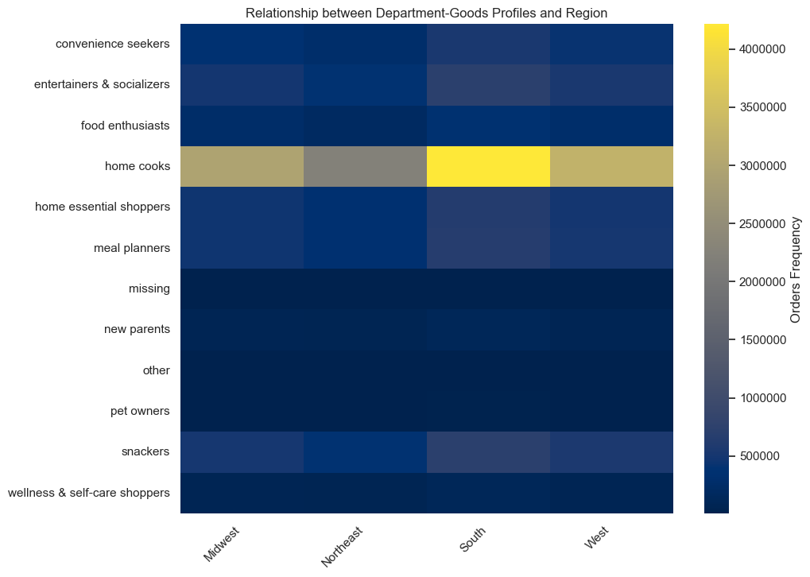
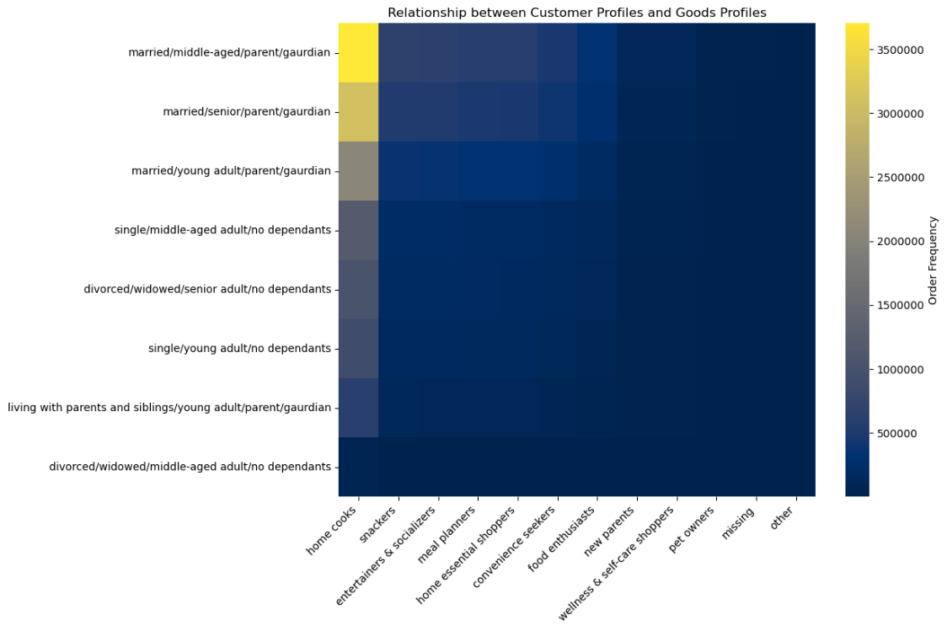
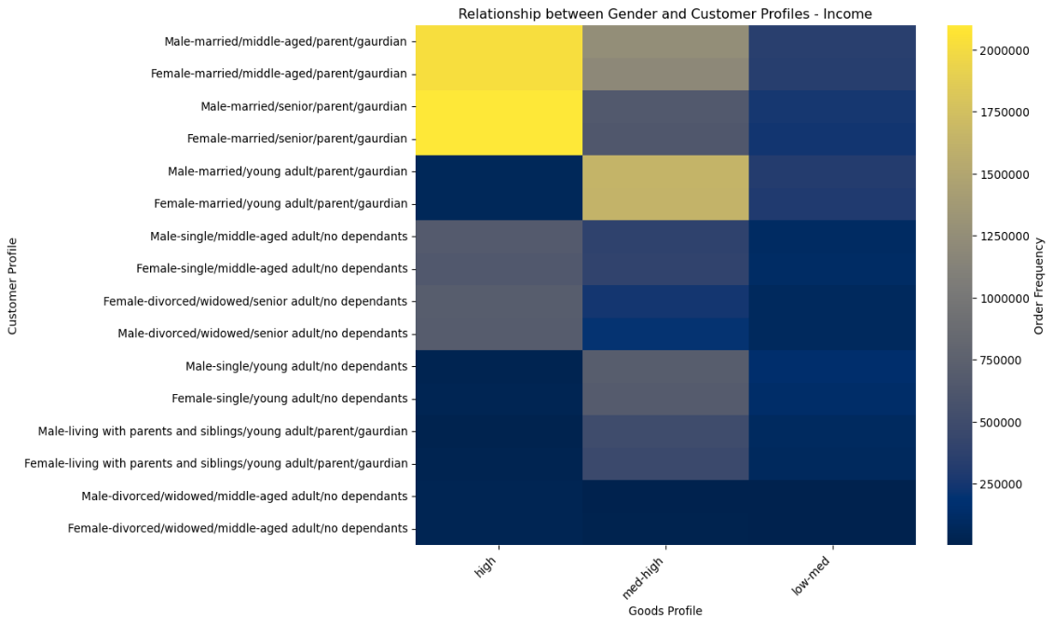

 | Q10-11: The relationship bewteen department goods profiles and region suggest a classifcation of (e.g. Home Cooks from the South region of the US) |  |  |  |  |  | Q10-11: The relationship between customer profiles and goods profiles suggest a classifcation of (e.g. Married/Middle-Aged/Parent/Gaurdian/Home Cooks) |  |  |  |  | Q10-11: The relationship between gender, customer profiles and goods profiles suggest a classifcation of (e.g. High-income/Male/Married/Middle-Aged/Parent/Gaurdian/)

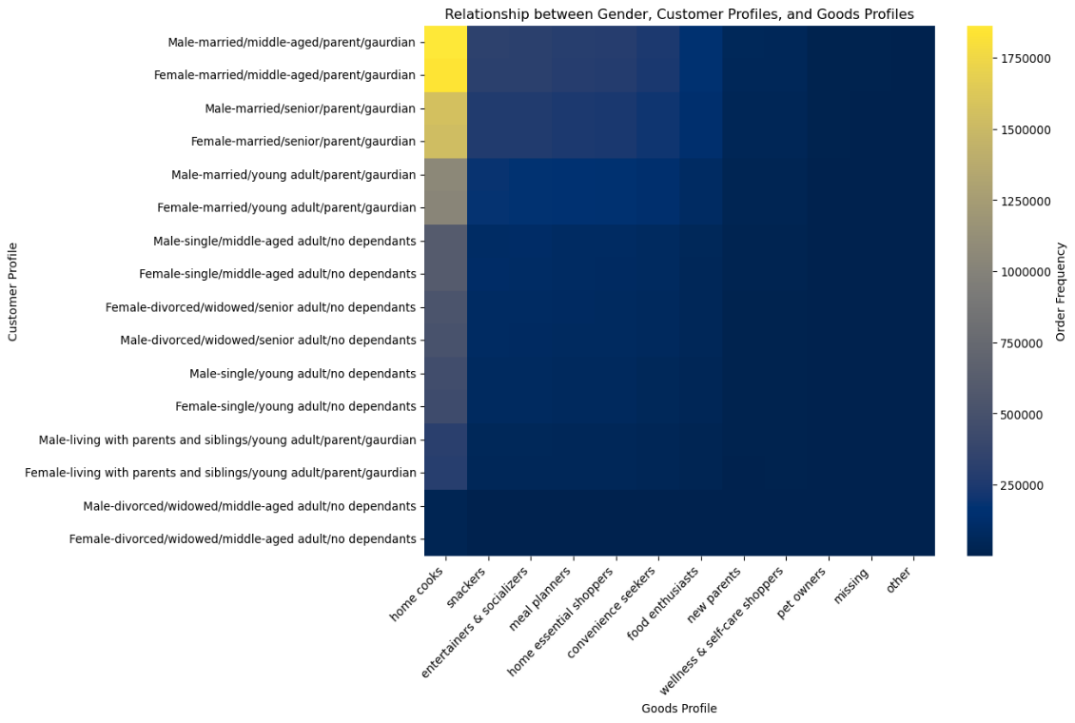
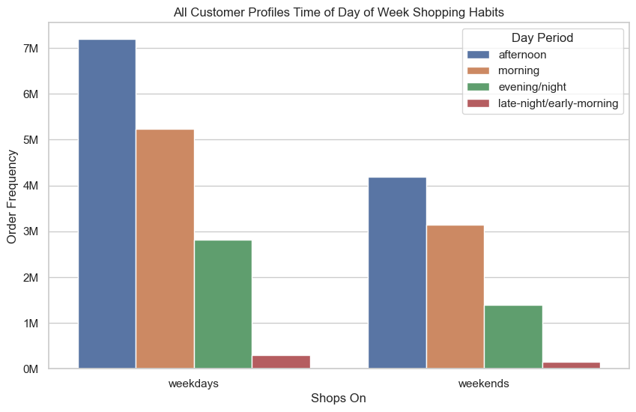

 |  | Q10-11: The relationship between gender, customer profiles - goods profiles suggest a classifcation of (e.g. Male/Married/Middle-Aged/Parent/Gaurdian/Home Cook) |  |  |  | Note: This data suggests that even though the 2 busiest days of the week are Saturday and Sunday, the overall scale of orders over time will compund to weekdays amounting to more orders as there are more days in weekdays than weekends.

6. Recommendations
 |  |  | Title page

Recommendations

This tab includes any recommendations made to Instcart in terms of their marketing strategy based on the questions posed in the brief. Every key question has been covered in the Tasks of the Exercises - here you can analyze a visualization or table/crosstable that is showing the answer in the data, acompanied by comment notes. Please, read the questions below and follow along with their answers.

Instacart Grocery Project Brief - Key Questions:
1. The sales team needs to know what the busiest days of the week and hours of the day are (i.e., the days and times with the most orders) in order to schedule ads at times when there are fewer orders.
2. They also want to know whether there are particular times of the day when people spend the most money, as this might inform the type of products they advertise at these times.
3. Instacart has a lot of products with different price tags. Marketing and sales want to use simpler price range groupings to help direct their efforts.
4. Are there certain types of products that are more popular than others? The marketing and sales teams want to know which departments have the highest frequency of product orders.
Security/Privacy Notice: Instacart is a real company that’s made their data available online. However, the contents of this project brief have been fabricated for the purpose of this Achievement.
5. The marketing and sales teams are particularly interested in the different types of customers in their system and how their ordering behaviors differ.
For example:
6. What’s the distribution among users in regards to their brand loyalty (i.e., how often do they return to Instacart)?
7. Are there differences in ordering habits based on a customer’s loyalty status?
8. Are there differences in ordering habits based on a customer’s region?
9. Is there a connection between age and family status in terms of ordering habits?
10. What different classifications does the demographic information suggest? Age? Income? Certain types of goods? Family status?
11. What differences can you find in ordering habits of different customer profiles? Consider the price of orders, the frequency of orders, the products customers are ordering, and anything else you can think of.
Question | Answer
Key Question 1 | 2 busiest days of the week Saturday, Sunday (weekends) | 2 slowest days of the week Tuesday, Wednesday (weekdays)
Key Question 2 | most orders 10am (morning hours) | highest priced items 3-5am (latenight/early-morning hours)
Key Question 3 | note: (high-range product, mid-range product, low-range product)
Key Question 4 | top 5 departments 1. Produce 2. Dairy Eggs 3. Snacks 4. Beverages 5. Frozen | bottom 5 departments 1. International 2. Alcohol 3. Pets 4. Bulk 5. Other
Key Question 5 | customer Profiles (parent gaurdian) 1. 'living with parents and siblings/young adult/parent/guardian' 2. 'married/young adult/parent/guardian' 3. 'married/middle-aged/parent/guardian' 4. 'married/senior/parent/guardian' | customer Profiles (no dependants) 1. 'single/young adult/no dependents' 2. 'single/middle-aged adult/no dependents' 3. 'divorced/widowed/middle-aged adult/no dependents' 4. 'divorced/widowed/senior adult/no dependents'
Key Question 6 | loyalty_flag Regular customer Loyal customer New customer | count 15,876,776 10,284,093 6,243,990
Key Question 7 | note: Instacart customer base is mainly 'regular customers'.
Key Question 8 | highest regional orders 1. South 2. West | lowest regional orders 3. Midwest 4. Northeast
Key Question 9 | note: No clear connection between age and number of dependants as many people have kids at different ages and by varying amounts.
Key Question 10 | Different classifications of demographic information (parent/gaurdian) classication by region (South, West, Midwest, Northeast) classification by income (low-med, med-high, high) classification by goods profile (home cooks, convenience seekers, food enthusiasts, meal planners, wellness and self-care shoppers, snackers, entertainers and socializers, pet owners, home essential shoppers, new parents, other) customer Profiles (gender, family status, age profile, dependant status) 1. 'male/living with parents and siblings/young adult/parent/guardian' 2. 'female/living with parents and siblings/young adult/parent/guardian' 3. 'male/married/young adult/parent/guardian' 4. 'female/married/young adult/parent/guardian' 5. 'male/married/middle-aged/parent/guardian' 6. 'female/married/middle-aged/parent/guardian' 7. 'male/married/senior/parent/guardian' 8. 'female/married/senior/parent/guardian' | Different classifications of demographic information (no dependants) classication by region (South, West, Midwest, Northeast) classification by income (low-med, med-high, high) classification by goods profile (home cooks, convenience seekers, food enthusiasts, meal planners, wellness and self-care shoppers, snackers, entertainers and socializers, pet owners, home essential shoppers, new parents, other) customer Profiles (gender, family status, age profile, dependant status) 1. 'male/single/young adult/no dependents' 2. 'female/single/young adult/no dependents' 3. 'male/single/middle-aged adult/no dependents' 4. 'female/single/middle-aged adult/no dependents' 5. 'male/divorced/widowed/middle-aged adult/no dependents' 6. 'female/divorced/widowed/middle-aged adult/no dependents' 7. 'male/divorced/widowed/senior adult/no dependents' 8. 'female/divorced/widowed/senior adult/no dependents'
Key Question 11 | Differences in ordering habits from customer profiles The instacart consumers profiling suggest main classifications by region (South, West) of: 1. (High-income/Male/Married/Middle-Aged/Parent/Gaurdian/Home Cooks from the Southern Region) 2. (High-income/Female/Married/Middle-Aged/Parent/Gaurdian/Home Cooks) 3. (High-income/Male/Married/Senior/Parent/Gaurdian/Home Cooks) 4. (High-income/Female/Married/Senior/Parent/Gaurdian/Home Cooks) | Note: In terms of ordering habits from different customer profiles, consumers that are married, are middle-aged or older, and is a parent/gaurdian tend to earn high income, spend more money, and order more products from instacart.

Instacart Recommendations: 1. Run campaign ads Tues-Wed or Mon-Thurs (slowest weekdays).
2. Additional review of loyalty program in order to attract new customers and maintain the attention/trust of current loyal customers.
3. Create a discount campaign in order promote the loyalty program of instacart to its largest base of consumers (regular customer).
4. Create/Promote campaigns targeted to customer profile demographics by region of the US:
(e.g.)
- (High-income/Male/Married/Middle-Aged/Parent/Gaurdian/Home Cooks)
- (High-income/Female/Married/Middle-Aged/Parent/Gaurdian/Home Cooks)
- (High-income/Male/Married/Senior/Parent/Gaurdian/Home Cooks)
- (High-income/Female/Married/Senior/Parent/Gaurdian/Home Cooks)
5. Early-morning hours around 3-6am suggest consumer habits willing to pay for higher priced items considering the time of day and food accessibility.

